My Home 99
Project Info Sheet_2215409 _My Home 99_Rev 5
Project Name | Myhome 99
Project Code | 2215409
Fabricator | Active Green Products
Project Bid Value | 180,000,000
Schueco Value WO/GST | ₹ 66,407,113 |  | 10,101.80 | With Coating & Without Wastage
Project Area In Sq.mt | a.Fenestration |  | 66,407,113
 | b.Façade |  | NA
Project Completion Date | Apr-28
Rate Agreed | Per Sft Without Wastage |  | ₹ 610.72 /sqft
 |  |  | Value | Qty | Sqm
System | 1 | Schüco AS SC 32 NI | 7,893,522 |  | 1,012
 | 2 | Schüco AS SC 39 NI (2.0) | 45,481,222 |  | 7,339
 | 3 | Schüco AW 40.NI | 5,666,029 |  | 670
 |  | Schüco AWS/ADS 50.NI | 1,516,212 |  | 153
 |  | Schüco AD 40 NI | 2,116,055 |  | 282
 |  | Schüco AS43SC.NI | 3,734,070 | 26 | 644

Know Your Customer |  |  | 66,407,113 | 26 | 10,100
 | a | End Customer |  | Myhome Construction
 | b | Fabricator |  | Active Green Products
 | c | Architect |  | Inhouse Architect
 | d | Consultant |  | Aspect Façade Consultant
 | e | PMC

Comercial
 | a. | PO to Schueco | Yes | Recevied
 | b. | Nalco | Applicable | 268 +/- 5%
 | c. | Tolorance | Acceptable
 | d. | Wastage | Without wastage | Wastage fabricator scope
 | e. | Lots |  | 4 to 5 lots
 | f. | Payment Terms (Client to Fabricator) |  | Refer Attached WORK/PURCHASE ORDER to fabricator
 |  | Advance (Fabricator to Schueco) |  | 15 to 20% lot wise advance for booking
 |  | Payment Terms (Fabricator to Schueco) |  | Utilization of existing CL or before dispach complete payment against the PI value
 | g. | MOQ |  | Yes
 | h. | Article Price Validity |  | Apr-27

Documents
 | a. | WO From Client | Received | Active Green Products
 | b. | PO From Fabricator | Received | Received
 | c. | Final UOV | Approved | Received
 | d. | Final PMS | Yes | Received
 | e. | Tender Documents | Yes | Received
 | f. | Technical Specification | Yes | Received
 | g. | Wind loads | Yes | 2.35kPa, 2.65Kpa & 3Kpa
 | h. | Material technical Data Sheet | Received | Submitted
 | i. | MTC | Yes | Each Lot to be submit

Schueco Scope Engineering
 | a. | Concept Proposal | Yes | Approved
 | b. | Cadd Blocks | Yes | Received
 | c. | Templates | Yes | NO
 | d. | Production Drawing | Yes | Yet to receive
 | e. | Shop Drawing | NO | Active Green Products
 | f. | Shop drawing review | Yes | Schueco
 | g. | B Drawings | NO | Yet to receive
 | h. | V10 Drawings | NO | NA
 | i. | V8 Drawings | NO | NA
 | j. | Die Development | NO | NA
 | k. | No Of New Dies | NO | NA
 | l. | Production Documents | Yes | Schueco
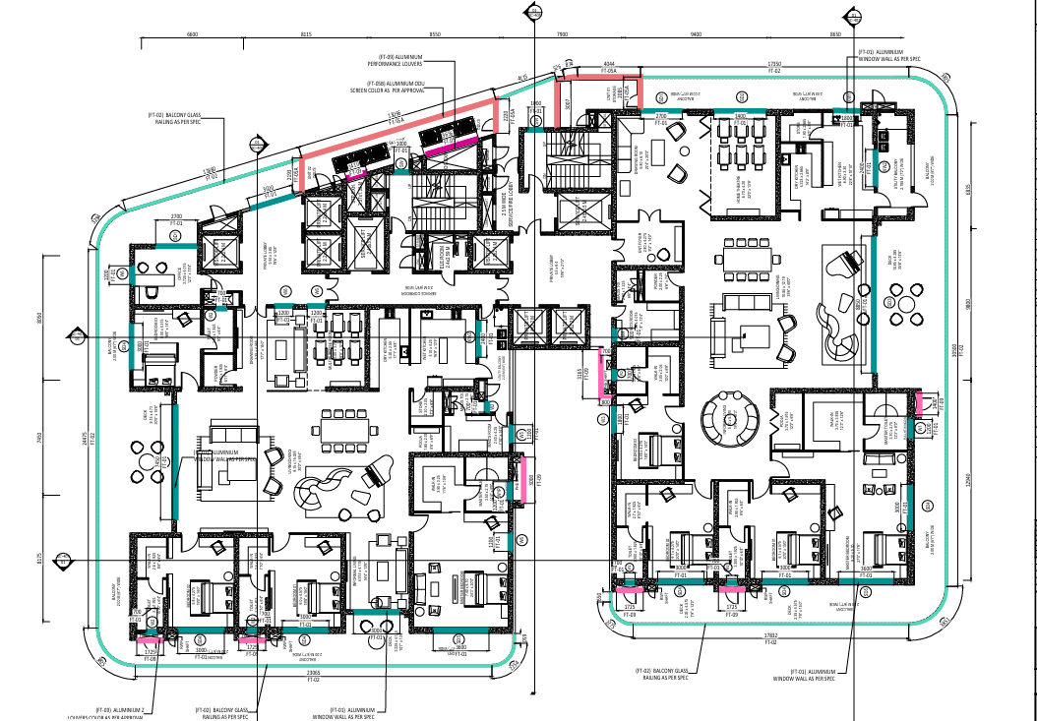
Scope | a. | Powder Coating | Yes | Schueco Scope
 | b. | Shade Approval | Yes | Refer Tender File
 | c. | PC Coating Thickness |  | 60 to 120 Microns
 | d. | Handle Shade | No | Black
 | e. | Glass | Client Scope | Different Glass Tickness
 | f. | Sealant Colour |  | Active Green Products

Material Procurement | a. | Long Lead Articles | Yes | Not Yet Done
 | b. | No Of Lots | Yes | 4 to 5 lots
 | c. | Lots requirement | Yes | 30-45 days Profile/50-55 days accessories
 | d. | Material delivery timelines |  | 55-60 days
 | e. | Schueco Flex Colour (Grey/Black) |  | Black
 | f. | Orderlist Preperation | Yes | Schueco Scope
 | g. | PI Generation | Yes | Schueco Scope

Mock-Up | a. | PMU | Yes | NA
 |  | PMU Lab | Yes | NA
 |  | PMU Testing System | N/A | NA
 | b. | VMU | Yes | Ongoing

Project Warranties | a. | Schueco System Warranties | Yes | 10 Years
 | b. | Hardware Warranty | Yes | 2 Years
 | c. | Powder Coating Warranty | Yes | 15 Years

Service Audits | a. | System Fabrication Training | Yes | All System
 | b. | System Installation Training | Yes | Custom Design System
 | c. | Fabrication Audits | Yes | Every 15-20 Days
 | d. | Installation Audits | Yes | Every 15-20 Days

Project Details |  | Tower 1 | 55 Floor
 |  |  | 2 Flats / per Floor

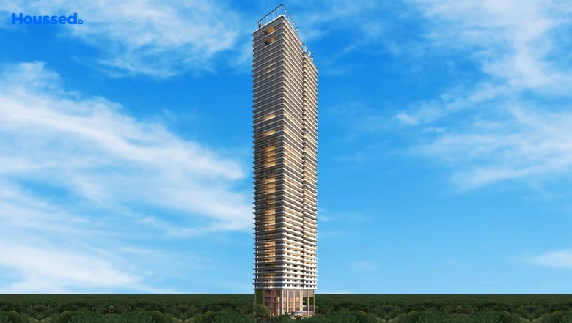
Project Image 3D Redering
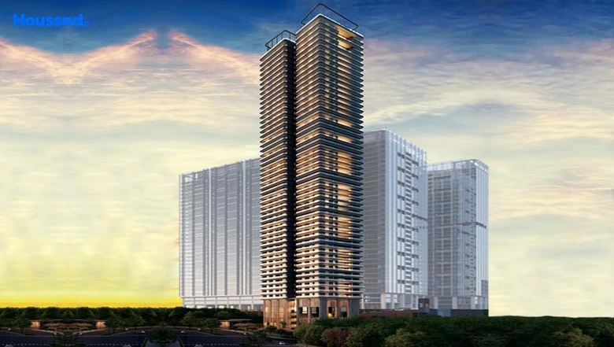

Project Construction Images | Tower 01

